2. Detailed value chain
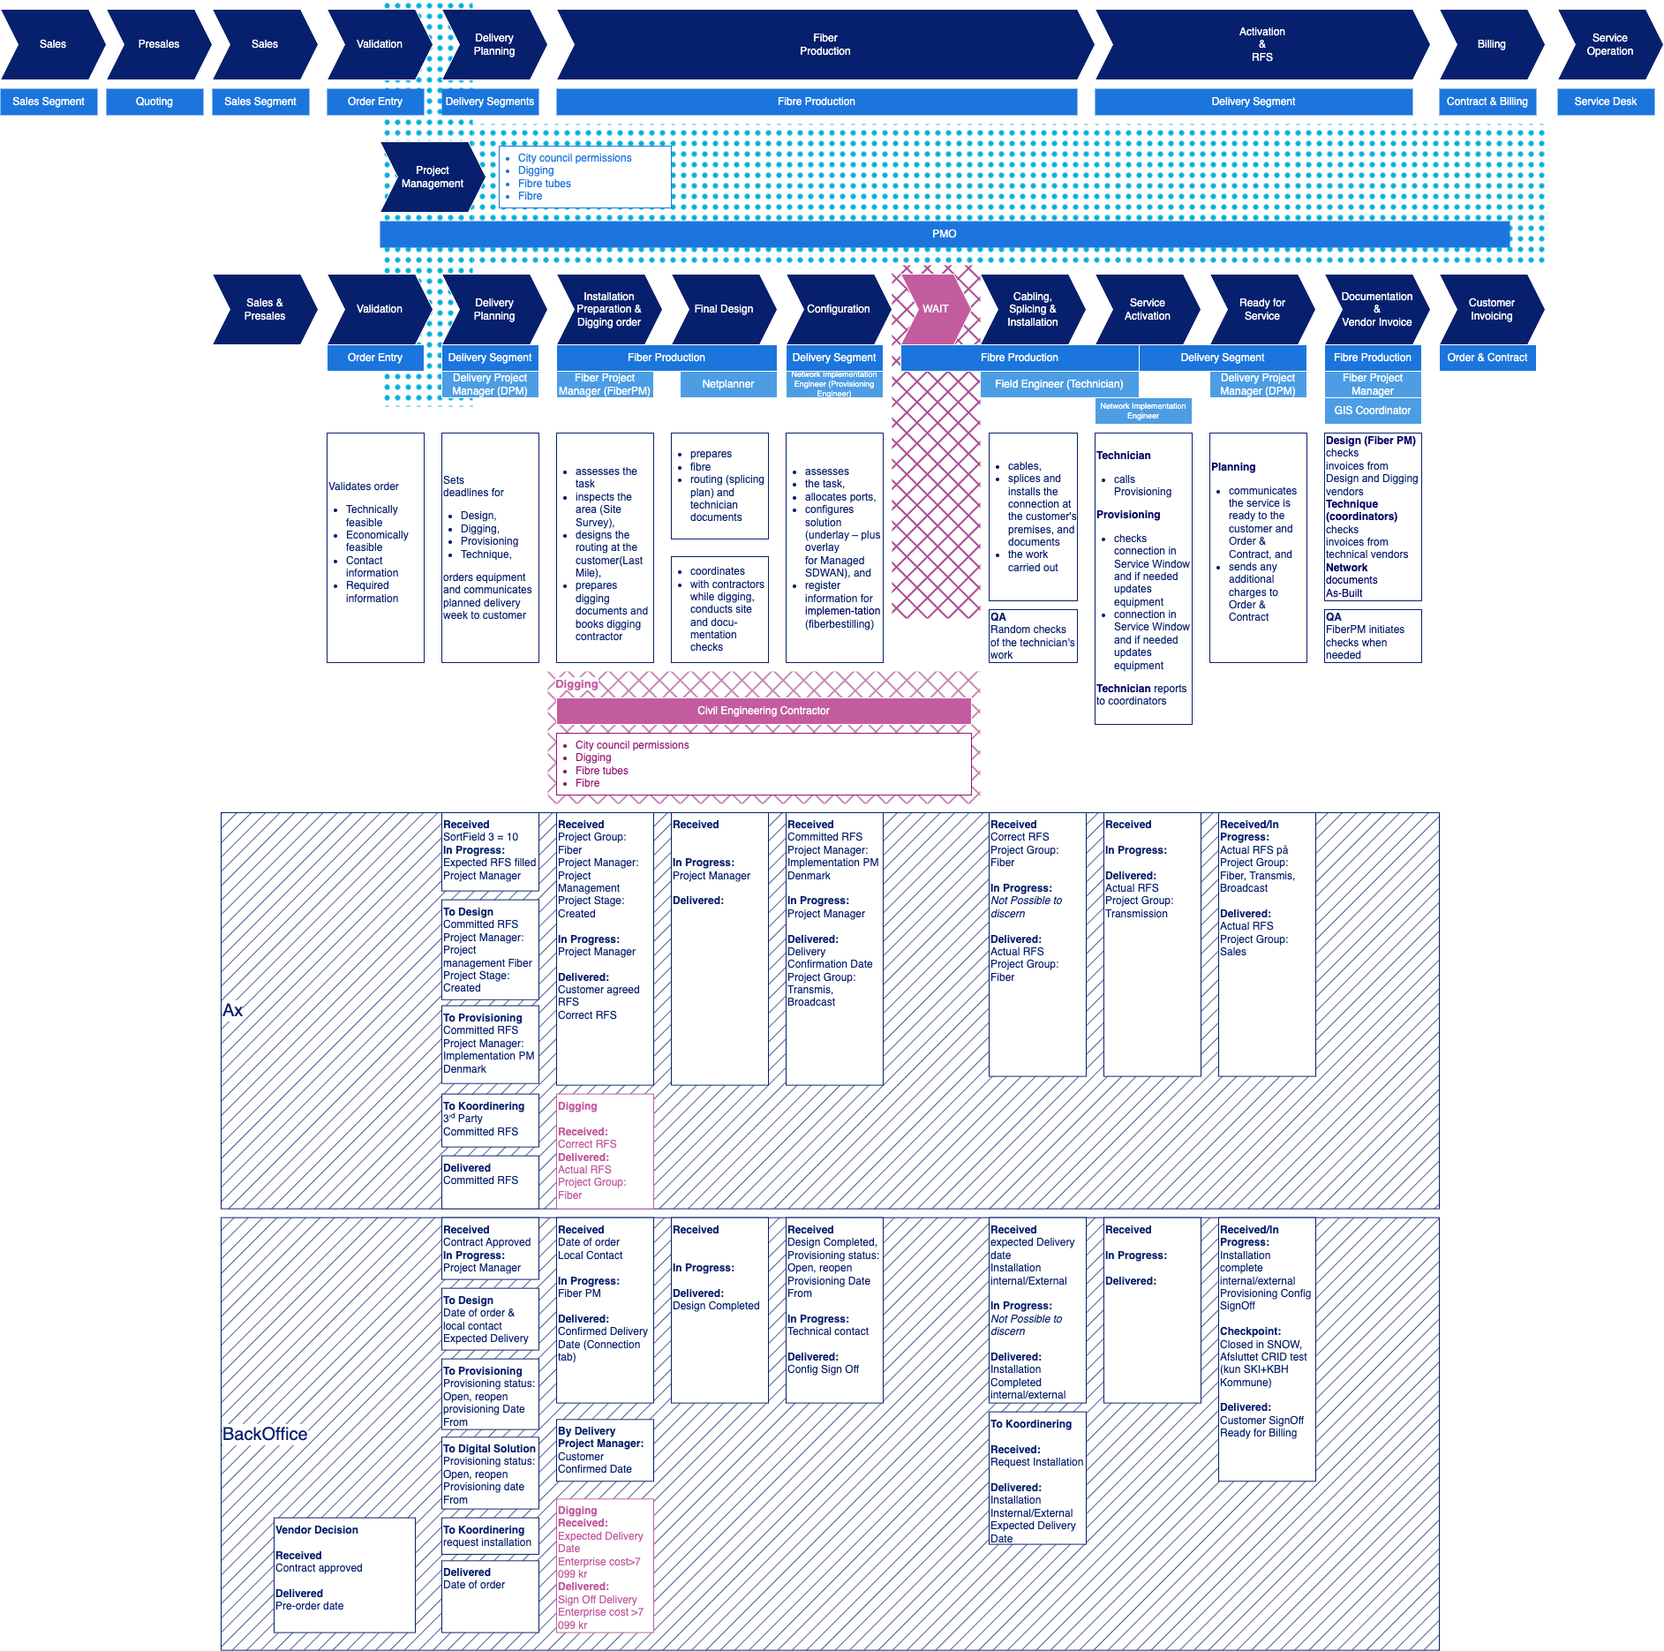

1.1 Waiting on customer confirmation or input
1.2 Customer not reachable / unresponsive
1.3 Customer requested delay / change of timeline or site not ready
2.1 Order forgotten, but back on track to be processed
2.2 Pending internal approval (e.g., fokka, vendor choice, etc.)
2.3 Internal resource constraints (e.g., no one to work on the order)
2.4 Pending equipment/product to be ready
2.5 Internal or external data/documentation incomplete/ incorrect
3.1 Third party vendor delay
3.2 Third party resource constraint
3.3 Other installation obstacles and infratructure issues
Other (incl. termination, on hold, unassigned statuses etc.)

